White Box Testing
 | White Box Testing
Decision Coverage
Condition: orderAmount > 500 | Condition: userType == "PREMIUM" | Action: Discount
TRUE | TRUE | 20%
TRUE | FALSE | 10%
FALSE |  | 0%
BRANCH COVERAGE
Test Case ID | Scenario | Input | Expected
TC01 | Order > 500, Premium user | orderAmount = 600, userType = "PREMIUM" | discount = 20%
TC02 | Order > 500, Non-premium user | orderAmount = 600, userType = "REGULAR" | discount = 10%
TC03 | Order ≤ 500, Premium user | orderAmount = 400, userType = "PREMIUM" | discount = 0%
TC04 | Order ≤ 500, Non-premium user | orderAmount = 400, userType = "REGULAR" | discount = 0%
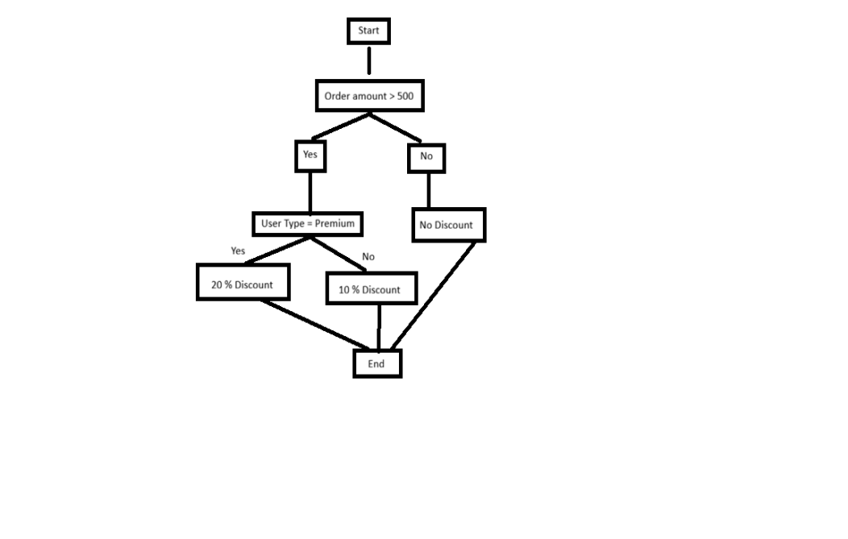
Cyclomatic Complexity
E-N+2P
8-7+2(1)=3
7 nodes and 8 edges.

